Jumping Horse of the Year
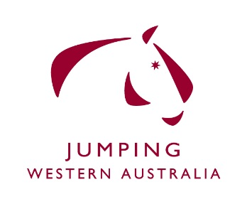 Jumping Horse of the Year 2018
Horse Name | Rider Name | Yalambi Jumping Classic | Southside Jump Club | BusseltonWinter Festival | Geraldton Jumping | Dryandra | Northampton Agricultural Show | SRSJC | IGA Perth Royal Show | Total
 |  | 2018-03-24 | 2018-05-05 | 3.6.2018 | 7-9-7-2017 | 2018-08-12 | 2018-09-08 | 2018-09-15 | 22-29 Sep
Diamond B Vigo | Chelsea McInnes | 10 |  | 10 |  |  |  | 5 | 10 | 35
Glenwood Park Vatu | Sammantha Lamont |  | 5 | 5 | 8 |  | 10 | 6 |  | 34
Holmwood Valentine | Trevor March |  |  |  | 5 |  | 8 | 10 | 8 | 31
Oaks Vendetta | Caitlin Bolger |  | 10 | 6 |  |  |  | 8 | 5 | 29
Oaks Quickstep | Caitlin Bolger |  | 8 | 8 |  | 6 |  | 4 |  | 26
Bisdale Times | Lucy Rowe |  | 4 |  | 6 |  |  |  |  | 10
Noblewood Park Cherokee | Ben Wilson |  |  |  | 10 |  |  |  |  | 10
Chicago | Chad Donovan |  | 6 |  |  |  |  |  |  | 6
Noblewood Park Innovation | Lucinda Bunning |  |  |  |  |  |  |  | 6 | 6
Oaks Zena | Stephanie Tucker |  |  | 4 |  |  |  |  |  | 4
Nalelu | Annabel Cowcher |  |  |  | 4 |  |  |  |  | 4
Bicento | Rosie Oliver |  |  |  |  |  |  |  | 4 | 4
Yalambi's Fair Diamond | Rory Hovell |  |  |  |  | 10

